WiFi 6
 |  | 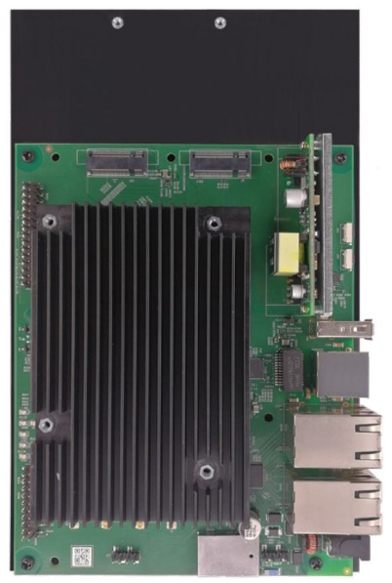 | 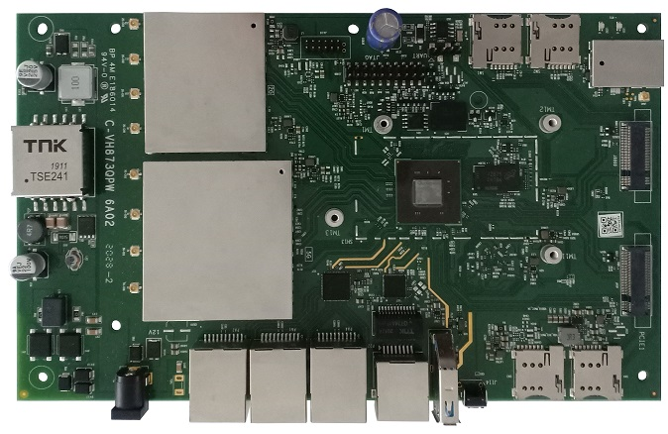
Part Number |  | WPQ618 | WPQ873
Platform | Board Supplier | Compex | Compex
 | Chip Supplier | Qualcomm | Qualcomm
 | Chip Part Number | IPQ-6018-0-FCBGA570-MT-00-0 | IPQ-8072A-0-772FCBGA-MT-00-0
 | CPU | Quad ARM-A53 @ 1.8 GHz | Quad Cortex-A53 @ 2GHz
 | Flash | 256 MB NAND & 32 MB NOR | 256 MB NAND & 8 MB NOR
 | RAM | 1GB (2x 512MB) DDR3L | 512 MB DDR4 @ 2.4GHz
 | OS | Linux OpenWRT | Linux OpenWRT
Connectivity | Ethernet | 4 x 1 Gbps & 1 x 2.5 Gbps | 3x1Gbps & 2.5Gbps
 | USB | USB3.0, USB2.0 | USB3.0
 | PCIe | PCIe 3.0 | Mini PCIe 2.0 slot & M.2 + PCIe 3.0 for 5G cellular modem
 | Serial Interfaces | SPI, UART | Serial Port 4 Pin Connector
 | GPIOs | up to 79 | up to 69
 | JTAG | JTAG 20 Pin Connector | JTAG 20 Pin Connector
 | Miscellaneous | 4x SIM Card Slot, 1x SD Card Slo | no
Wireless | Standards | WiFi 6 + Bluetooth* | WiFi 6 & BLE 5.0*
 | MIMO | 2x2 Multi User | 4x4 MU @ 2.4GHz and 4x4 MU @ 5GHz
 | Frequency | 2.4 GHz & 5 GHz | 2.4 GHz & 5 GHz
 | DBS* | yes | yes
 | Bandwidth | HE20/HE40/HE80 | HE20/HE40/HE80/HE160(80+80)
 | Antenna Data Rate 2.4 GHz | 573 Mbps | 1182 Mbps
 | Antenna Data Rate 5 GHz | 1201 Mbps | 2475 Mbps
 | Antenna Options | 2 x U.FL or 2 x Pin | 8 x U.FL
 | Clients | 128 | 128
 | Output Power | TBD | 17 dBm per chain
Board Spec | Power Supply | 1x DC Jack Connector: DC 12V | 1 x DC Jack Connector: 12V
 | Dimension (mm) | 128 x 210 x33.9 (With Heatsink) | 128 x 255 x36.8
 | Weight (g) | 560 | 645
 | Temperature Range | -20°C to +70°C | -20°C to +70°C
 | Reference Design | Compex Design ( derived from AP.CP01 ) | Qualcomm AP.HK09
 | Certifications | TBD | TBD
 |  | *CSR8811 BLE V4.2 | * provided by QCA4024

 | Sample Shop | WPQ618 | WPQ873
 | English: | click here | click here
 | German: | click here | click here

WiFi 7
 |  |  |  |  | 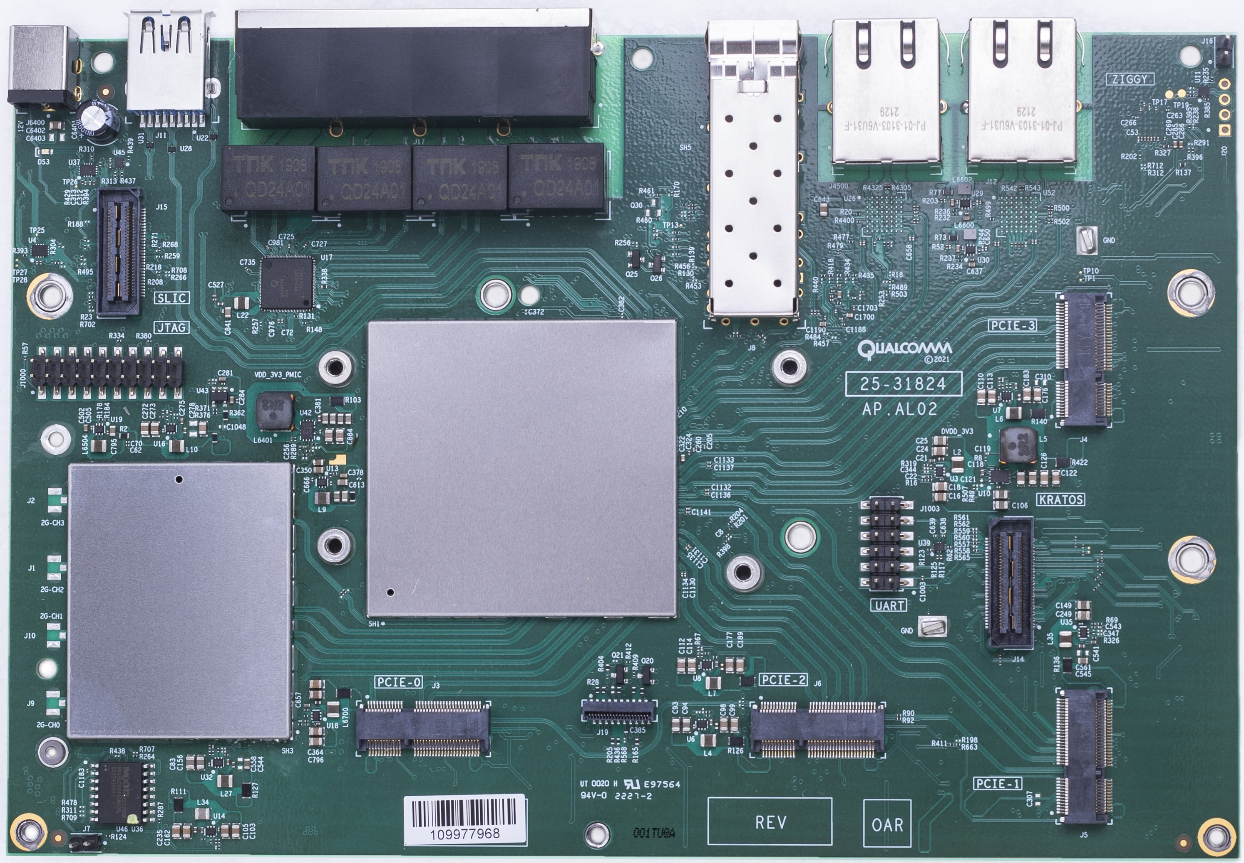 | 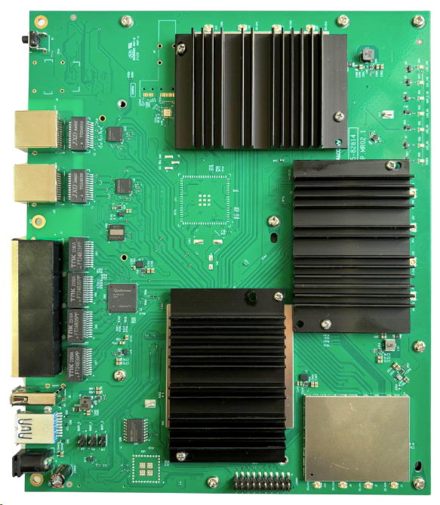 | 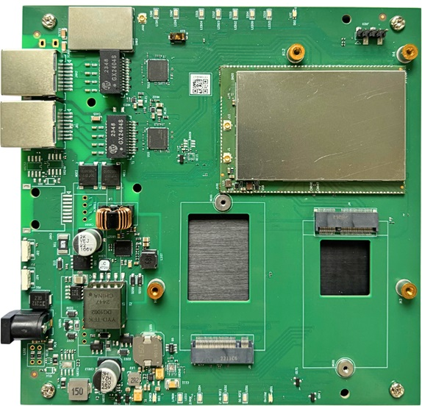 | 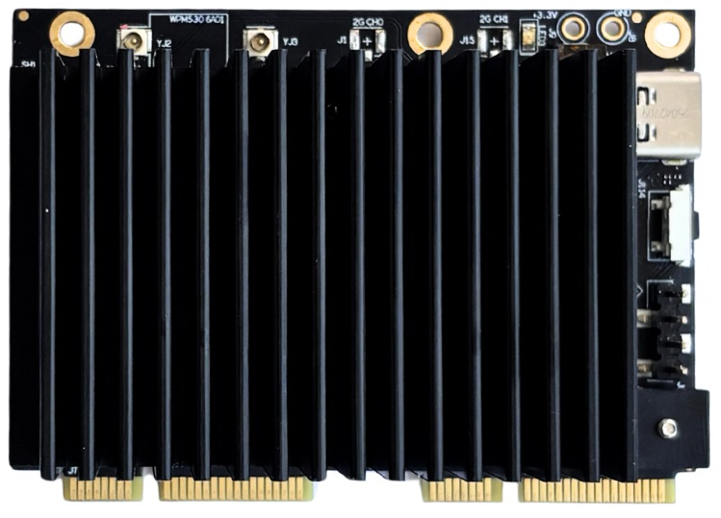 | 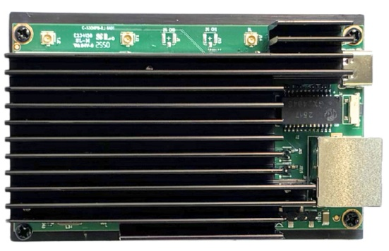
Part Number |  | WPQ951 | WPQ530 | WPQ530MR | AP.AL02.3 | AP.MR02.1 | WPS530MR | WPM530 | WPM530RJ
Platform | Board Supplier | Compex | Compex | Compex | Compex | Compex | Compex | Compex | Compex
 | Chip Supplier | Qualcomm | Qualcomm | Qualcomm | Qualcomm | Qualcomm | Qualcomm | Qualcomm | Qualcomm
 | Chip Part Number | IPQ-9550-0-MSP615-MT-01-0 | IPQ-5322, QCN-6432 | IPQ-5322-0-MRQFN251-MT-03-0 | IPQ-9574-0-MSP615-MT-01-0 | IPQ-5424-0-MSP480-MT-01-0 | IPQ-5322-0-MRQFN251-MT-03-0 | IPQ-5322-0-MRQFN251-MT-03-0 & QCN-6274 | IPQ-5322-0-MRQFN251-MT-03-0 & QCN-6274
 | CPU | Quad-Core ARM Cortex-A73 @ 1.5 GHz | Quad-Core Cortex-A53 @ 1.5GHz | Quad-Core Cortex-A53 @ 1.5GHz | Quad-Core ARM-A73 @2.2GHz | Quad-Core ARM Cortex-A55 @ 1.8GHz | Quad-Core Cortex-A53 @ 1.5GHz | Quad-Core Cortex-A53 @ 1.5GHz | Quad-Core Cortex-A53 @ 1.5GHz
 | Flash | 256MB NAND flash, 32MB NOR flash, 16GB eMMC | 512MB NAND flash, 8MB NOR flash, 16GB eMMC | 512MB NAND flash, 8MB NOR flash, 16GB eMMC | 256MB NAND flash, 32MB NOR flash, 8GB eMMC | 256MB NAND flash, 32MB NOR flash | 16GB eMMC | 128MB NAND Flash | 128MB NAND Flash, 4MB NOR flash
 | RAM | 2 GB DDR4 | 1 GB DDR4 | 1 GB DDR4 | 2 GB DDR4 | 4GB DDR4 | 1 GB DDR4 | 512MB DDR4 | 512MB DDR4
 | OS | OpenWRT | OpenWRT | OpenWRT | OpenWRT | OpenWRT | OpenWRT | OpenWRT | OpenWRT
Connectivity | Ethernet | 2x2.5Gbps, 1x10Gbps | 2x2.5Gbps, 1x10Gbps | 2x2.5Gbps | 4x1Gbps, 2x10Gbps | 4x 2.5Gbps, 2x 10Gbps | 2x2.5Gbps | 10 Gbps Ethernet protocol via USB 4.0 | 10 Gbps Ethernet protocol via RJ45
 | USB | USB2.0 | USB2.0 | - | USB3.0 | USB3.0, USB2.0 | - | USB 4.0 C-Type (for 10 Gbps Ethernet protocol) | USB 4.0 C-Type (for power supply))
 | PCIe | PCIe 3.0, 3 x M.2 E Key | - | PCIe 3.0, 1 x M.2 E Key, 1 x M.2 B+M key | PCIe 3.0, 4 x M.2 E Key | - | PCIe3.0, 1 x M.2 E Key, 1 x M.2 B+M key | just for power supply | -
 | Serial Interfaces | Serial Port 4 Pin Connector | Serial Port 4 Pin Connector | Serial Port 4 Pin Connector | Serial Port 12 Pin Connector, SFP+ Port | UART 12 Pin Connector | UART 4 Pin Connector | UART 4 Pin Connector | UART 4 Pin Connector
 | GPIOs | - | - | - | up to 64 | - | up to 52 | - | -
 | JTAG | JTAG 20 Pin Connector | JTAG 10 Pin Connector | - | JTAG 20 Pin Connector | JTAG 20 Pin Connector | - | - | -
 | Miscellaneous | no | Copper Antenna with 3 dbi Peak Gain | 2x 2.4Ghz Copper Antenna with 3 dbi Peak Gain | NA | WPS Button | Bluetooth Module, SIM Card Slot | NA | Bluetooth
Wireless | Standards | - | WiFi 7 | WiFi 7 | WiFi 7 | WiFi 7 | WiFi 7 | WiFi 7 | WiFi 7
 | MIMO | - | 2x2 MU OFDMA | 2x2 MU OFDMA | 4x4 MU @2.4GHz | 4x4 MU @ 2.4GHz, 5GHz,6GHz | 2x2 @MU, 2.4GHz | 2x2 @MU, 2.4GHz, 5GHz,6GHz | 2x2 @MU, 2.4GHz, 5GHz,6GHz
 | Frequency | - | 2.4Ghz, 5-6GHz | 2.4Ghz | 2.4GHz | 2.4GHz, 5GHz, 6GHz | 2.4GHz | 2.4GHz, 5GHz,6GHz | 2.4GHz, 5GHz,6GHz
 | DBS* | - | no | no | no | yes | no | yes - tri-band | yes - tri-band
 | Bandwidth | - | EHT20/EHT40/EHT80/EHT160/EHT320 | EHT20/EHT40 | EHT20/EHT40 | EHT20/EHT40/EHT80/EHT160/EHT320 | EHT20/EHT40 | EHT20/EHT40/EHT80/EHT160/EHT320 | EHT20/EHT40/EHT80/EHT160/EHT320
 | Antenna Data Rate 2.4 GHz | - | 573Mbps | 688Mbps | 1147 Mbps | 1376Mbps | 688Mbps | 688Mbps | 688Mbps
 | Antenna Data Rate 5 GHz | - | 5764Mbps | - | - | 8647Mbps | - | 4324Mbps | 4324Mbps
 | Antenna Data Rate 6 GHz | - | - | - | - | 11530Mbps | - | 5765Mbps | 5765Mbps
 | Antenna Options | - | 4 x U.FL | 2 x U.FL | 4 x U.FL | 12x U.FL | 2x U.FL | 2x U.FL | 2x U.FL
 | Clients | - | 128 | 128 | 128 | 512 | 128 | 128 | 128
 | Output Power | - | 24 dBm @ 2.4 GHz, 19dBm @ 5-6 GHz | 24 dBm @ 2.4 GHz | 24 dBm per chain | 23 dBm @ 2.4 GHz, 21 dBm @ 5 GHz, 20 dBm @ 6 GHz | 22 dBm @ 2.4 GHz | 22 dBm @ 2.4 GHz, 17dBm @ 5 GHz, 17dBm @ 6 GHz | 22 dBm @ 2.4 GHz, 17dBm @ 5 GHz, 17dBm @ 6 GHz
Board Spec | Power Supply | 1x DC Jack Connector: 12V | 1x DC Jack Connector: 12V | 1x DC Jack Connector: 12V | 1x DC Jack Connector: 12V | 1x DC Jack Connector: 12V | 1x DC Jack Connector: 12V | 3.3V | 5V
 | Dimension (mm) | 205 x 143 x 32 | 135 x 110 x 20 | 142 x 142 x 19.2 | 203 x 139 x 20 | 215 x 180 x 25.5 | 142 x 142 x 21 | 70 x 50.8 x 25.3 | 89 x 57 x 31.6
 | Weight (g) | 600 | 270 | 370 | 660 | 660 | TBD | 96 | TBD
 | Temperature Range | -20°C to +70°C | -20°C to +70°C | -20°C to +70°C | -20°C to +70°C | -20°C to +70°C | -20°C to +70°C | -20°C to +45°C | -20°C to +55°C
 | Reference Design | Qualcomm AP.AL02.3 | Qualcomm AP.MI01.2 | Qualcomm AP.MI01.2 | Qualcomm AP.AL02.3 | Qualcomm AP.MR02.1 | Qualcomm AP.MI01.2 | Qualcomm AP.MI01.2 + WK01.7 | Qualcomm AP.MI01.2 + WK01.7
 | Certifications | TBD | TBD | TBD | TBD | TBD | TBD | TBD | TBD

 | Sample Shop | WPQ951 | WPQ530 | WPQ530MR | AP.AL02.3 | AP.MR02.1 | WPS530MR | WPM530 | WPM530RJ
 | English: | click here | click here | click here | click here | click here | click here | click here | click here
 | German: | click here | click here | click here | click here | click here | click here | click here | click here

